Cutscene
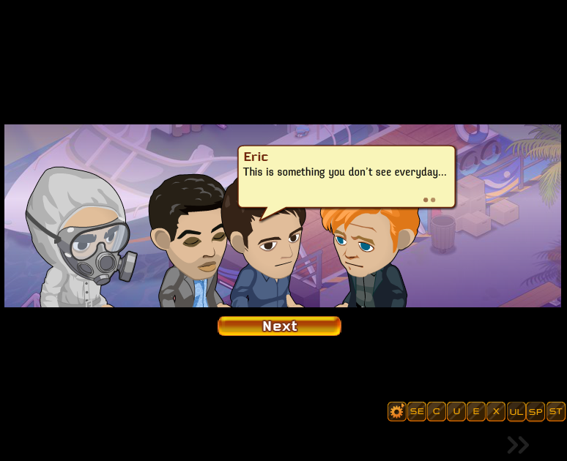
 |  | Skip > 90 x 40

760 x 340

 | Next > 150 x 70

Dialogue box
370 x 30 for names

 | dialoge box (max) 370 x 100

370 x 20 for "..."

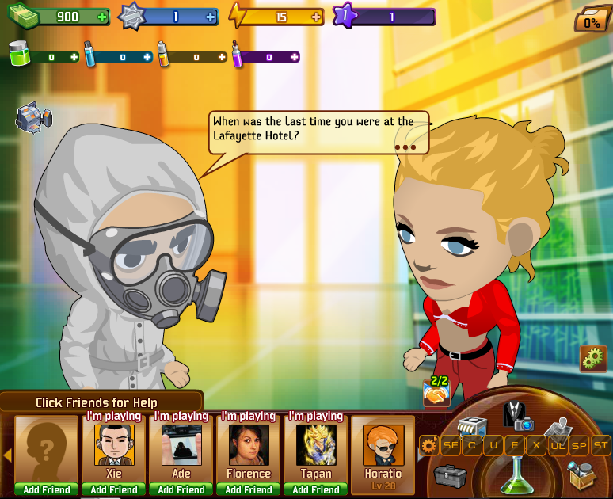

 |  |  | Skip >

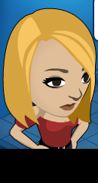

 |  | Next >

maintainance page
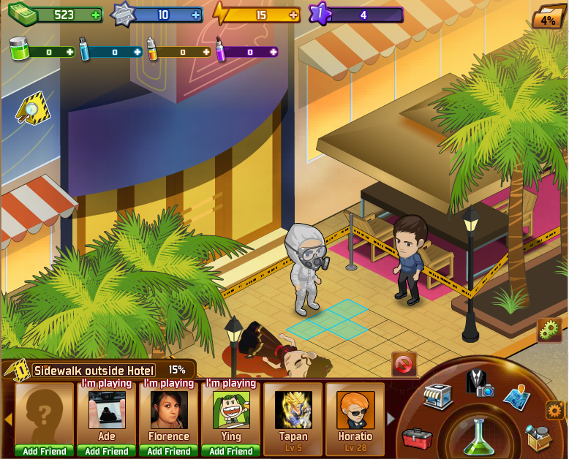

 |  |  | game logo 340 x 140

 | lab based background

 |  | Text box 1 (Game is under maintainance now) 460 x 40

 |  | Text box 2 (Please come back later and continue your CSI experience!) 460 x 80

All the characters in line (780 x 180)

Main UI
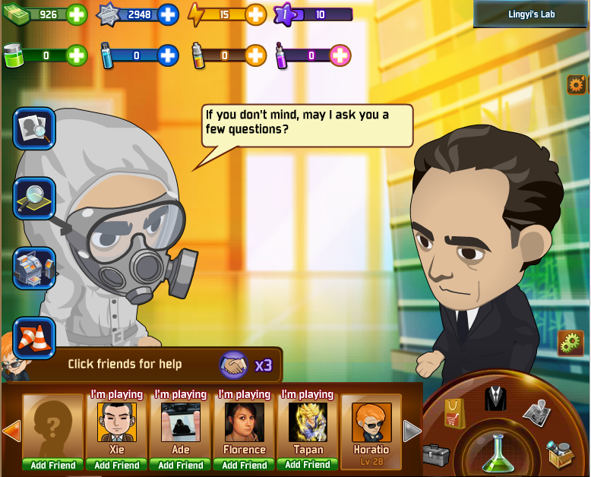
resource bars 460 x 90 |  |  |  |  |  |  | Case Name 150 x 40

 |  |  |  |  |  |  | Location Name 150 x 40

 |  |  |  |  |  |  |  | Daily reward 60 x 60
 | quest zone 60 x 390

 |  |  | Default game area 780 x 630

 |  |  |  |  |  |  |  |  | Set 40 x 40

 |  |  |  |  |  |  |  |  | Set 40 x 40

 |  |  |  |  |  |  |  |  | Set 40 x 40

 |  |  |  |  |  |  |  |  | Set 40 x 40

 |  |  |  |  |  |  |  |  | Set 40 x 40

 |  |  |  |  |  |  |  |  | Set 40 x 40

 |  | help info. For questioning 310 x 50 |  | 40 x 40 | 40 x 40

 |  |  |  |  |  | Main HUB 240 x 150

Friend Icons 540 x 130

Avatar Tool
 | Cloth.xml |  |  |  | Offer |  |  |  |  |  | Male |  |  |  |  |  |  |  |  | Female |  |  |  |  |  |  |  |  |  |  |  |  |  |  |  |  |  | X
 |  |  |  |  |  |  |  |  |  |  |  |  |  |  |  |  |  |  |  |  |  |  |  |  |  |  | preview pic

 |  |  |  |  |  |  |  | head |  |  |  | face |  | hair | hat |  | top |  | bottom |  | shoes | extra
 |  | Open |  |  | Save

 |  |  |  |  |  |  |  |  |  |  |  |  |  |  |  |  |  |  |  |  |  |  | ↑
Add |  |  |  | Duplicate |  | Delete |  |  | name |  |  |  |  |  |  | name

 |  |  |  |  |  |  | ↑

 |  |  |  |  |  |  |  |  |  | picture |  |  |  |  |  |  |  | picture |  |  |  |  |  | Male |  |  | q |  |  |  |  |  |  | Head |  |  | q
 |  |  | Male

 |  |  |  | Icon and name

 |  |  |  | Icon and name |  |  |  |  |  |  |  |  |  |  |  |  |  |  |  |  |  |  |  | item_1 |  |  | q |  |  |  |  |  |  | frame_1 |  |  | q

 |  |  |  | Icon and name

 |  |  |  | Icon and name

 |  |  |  | Icon and name
 |  |  |  |  |  |  |  |  |  | icon |  |  | price |  |  |  |  | icon | price |  |  |  |  | ID | M_Top_item_1 |  |  |  |  |  | → |  |  | Name | M_Top_item_1
 |  |  |  | Icon and name

 |  |  | Female

 |  |  |  |  |  |  |  |  | name |  |  |  |  |  |  | name
 |  |  |  | Icon and name |  |  |  |  |  |  |  |  |  |  |  |  |  |  |  |  |  |  |  |  |  | OK

 |  |  |  |  |  |  |  |  |  | picture |  |  |  |  |  |  |  | picture

 |  |  |  |  |  |  |  |  |  |  |  |  |  |  |  |  |  |  |  |  |  |  |  |  |  |  |  |  |  |  |  |  |  |  |  |  |  |  | X
 |  |  |  |  |  |  |  |  |  |  |  |  |  |  |  |  |  |  |  |  |  |  |  |  |  |  |  |  | preview pic

 |  |  |  |  |  |  |  |  |  | icon |  |  | price |  |  |  |  | icon | price

 |  |  |  |  |  |  |  |  |  |  |  |  |  |  |  |  |  |  |  |  |  |  | ↓
 |  |  |  |  |  |  | ↓

 |  |  |  |  |  |  |  |  |  |  |  |  |  |  |  |  |  |  |  |  |  |  |  |  | Male |  |  |  |  | q

 |  |  |  |  |  |  |  |  |  |  |  |  |  |  |  |  |  |  |  |  |  |  |  |  |  |  |  |  |  |  |  | ID | M_Top_item_1 |  |  | q

 |  |  |  |  |  |  |  |  |  |  |  |  |  |  |  |  |  |  |  |  |  |  |  |  | Head |  |  |  |  | q

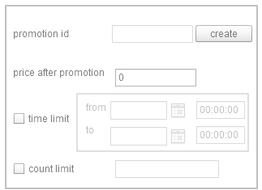

 |  |  |  |  |  |  |  |  |  |  |  |  |  |  |  |  |  |  |  |  |  |  |  |  |  |  |  | OK

SHOP UI
Supply Pack |  | Resource Pack |  |  | 180 x 30

 |  |  |  |  | 90 x 90 |  | <- height: 270 ->

15 | 15 | 15000 |  | 50 | 90 x 20

15 | 15 |  | 20

300
300
 |  |  |  |  |  | same size as button

